Budget Narrative
Formula Factors

In 2024/25, Hackney has continued its policy of following the National Funding Formula (NFF) for all factors other than AWPU which continues to be provided at a higher rate. There is now a national requirement that any factor that doesn't mirror the NFF (+/-2.5%) must move 10% closer to the NFF than it was in 2023/24. The AWPU in Hackney for 2024/25 will be paid at the highest allowable rate, which is more than last year but the 'premium' over the NFF is reduced to meet the aforementioned requirement. During the consultation in Autumn it was not clear if this approach would be affordable but now the grant has been published we have established this is affordable not least because we have transferred some funding from the growth allocation that will not be required. More detail about this transfer can be seen in the graphic below about the DSG. The rates that you see on the budget template will differ from figures you may read about the NFF in the media as there is a national NFF rate that applies across the country but this is then subject to the 'area cost adjustment' which in some cases increases the rate. As Hackney is an inner London borough we have a much higher than average area cost adjustment.

In summary, the formula rates are all the same as the NFF apart from the AWPU which is higher than the NFF to the greatest allowable extent.

Summer 2023 NFF Situation

The NFF factor rates are normally published in July of the preceding year, you may recall that the government had to take the unprecedented step of republishing them last autumn when it came to light that they didn't add up! This was actually beneficial to Hackney for reasons we have to dig deep into the MFG to understand. On the NFF, every school in Hackney would be funded on the MFG. As a consequence, when the factor rates were republished at a lower rate, the amount of MFG topup increased to cover the increased shortfall from the guaranteed budget. However, the lump sum is part of the MFG calculation and the lump sum was also restated in the autumn. If you look at the calculation steps of the MFG that are set out on the budget summary tab, you can see that the lump sum from the new year is one of the deductions from the old year budget. This is because every school gets it, so it doesn't need to be guaranteed. The 0.5% MFG uplift in the NFF is applied after this point. As the restated lump sum was less, the deduction was less, so the 0.5% uplift applied to a greater remainder. The original lump sum in July 2023 was going to be £161,029.76, this was restated to £159,487.1, a reduction of £1,542.66, 0.5% of which is £7.71 which is the (admittedly modest) gain for each Hackney school in the updated NFF.

In summary, the whole situation was of no particular consequence to hackney.

Minimum Funding Guarantee

The minimum funding guarantee is central to a full understanding of the school budget in Hackney. The purpose of the MFG for many years now has been to protect the average amount of funding received by a school per pupil from one year to another, it does not protect the total budget from changes in pupil numbers. On the NFF every school in Hackney receives MFG funding which tops up the formula factors to the guaranteed budget. In the published school budget, the MFG mandated minimum budget for the 74 mainstream schools and acdemies in Hackney is £229,794,013.04. The actual distribution is £230,305,800.08, an increase of just £511,787.04 which is caused by the policy of having an AWPU in excess of the NFF which has the effect of transferring funding from the MFG to the AWPU and in some cases lifting schools off the MFG. As the overall funding in Hackney is determined by the MFG rather than the rest of the NFF, the increases in funding per pupil seen by Hackney schools fall short of the headline rate increases in the NFF that are sometimes reported in the media. The calculation steps of the MFG are shown on the Budget Summary tab. It is important to note that in 2024/25 as in some previous years there is a 'protected grant'. This is the Mainstream Schools Additional Grant that was paid separately in 2023/24 but is being rolled into the DSG in 2024/25 so it gets added to the school budget from last year for the purposes of calculating the MFG. The lump sum is removed from the calculation as every school receives it so it doesn't get protected and national non domestic rates are removed as every school is funded at cost every year.

Pupil Numbers

The most consequential change relating to the formula and accompanying MFG is not the calculation but rather the data. There has been a reduction of 39 secondary and 481 primary pupils between the 2023/24 budget and 2024/25 budget. To put this into context it is the equivalent of the seventh largest primary school in Hackney disappearing within the last year, taking £4.8m of DSG funding with it. Although secondary numbers have been stable this year, secondary schools may wish to engage with surrounding primary schools to better understand what pupil numbers they may wish to include in their medium term financial plans.

Old Year Comparisson

The Budget Summary tab includes a table to compare the 2024/25 budget allocation to the 2023/24 formula and Mainstream Schools Additional Grant combined. This table shows how your total funding has changed on each factor and compares the total per pupil between the years. As most schools are on the MFG this will generally be an increase of 0.5% per pupil although this may vary usuallly because of a change in pupil numbers. As the lump sum is removed from the MFG calculation, a change in pupil numbers changes the amount received per pupil..

National Non Domestic Rates

National Non Domestic Rates are included in the budget at cost for all schools. In 2024/25 Hackney will be in the second year of using the new system of having this cost paid centrally so schools will not actually receive this funding and will not have to pay the bill. Schools are however still legally responsible for this cost so it is still included in the published budget and must be accounted for. The CFR tab details how to treat this income and cost for which no actual cash is transfered to or from the school.

De-delegation

The de-delegation arrangements set out on the Budget Summary tab are the same as last year and will be used for the same purposes. It is important that de-delegation is recorded as a cost in each school with the total gross budget being recorded against the CFR code I01. Full details of the correct accounting treatment of this is included on the CFR tab.

Mainstream Schools Additional Grant

This grant was provided in 2023/24 to circulate additional funding to schools that was announced by the government too late to be included in the 2023/24 NFF. It was always expected that this grant would be 'rolled in' to the DSG in 2024/25 and this is what has happened. The grant used factors that correspond to factors in the NFF which were increased by the mainstream schools additional grant amounts before the 2024/25 uplift was applied. You can see how this grant mapped to the fomula in the 2023/24 comparison on the Budget Summary tab. In addition, and more relevant to Hackney schools, the value of the grant was added to last years formula allocation for the purpose of calculating the 2024/25 MFG and this is visisble in the MFG calculation steps on the Budget Summary tab.

Teachers Pay Additional Grant

In July 2023 additional funding was announced by the government to help with the cost of the September 2023 teachers pay settlement. This grant was paid to schools for the period September 2023 to March 2024. This funding was announced too late to be taken into consideration for setting the 2024/25 NFF rates and as such the grant will continue through 2024/25 before being 'rolled in' to the DSG in 2025/26. The Budget Summary tab reflects our understanding that this grant will be the full year effect of the grant provided in 2023/24.

Other Grants

The remainder of the Budget Summary tab sets out our most up to date understanding of the other grants that schools are likely to receive. This list isn't exhaustive and schools will want to consider if there are any other grants that they may be eligible for. In the case of mainstream schools these grants are calculated at school level nationally and local authorities are paid the funds to 'passport' on to schools without any local decision making. Links are included to additional online information in each case.

Future Years

Schools will need to set a multi year budget and as such consider how much funding they anticipate in future years. As the school budget is almost entirley driven by the MFG it would seem reasonable to suggest using the MFG calculation to estimate future year budgets and this is the approach taken in the 2025/26 and 2026/27 budget sections of the Budget Summary tab.

Hackney Schools Block Dedicated Schools Grant Allocation

The graphic below shows the published allocation for Hackney in 2024/25
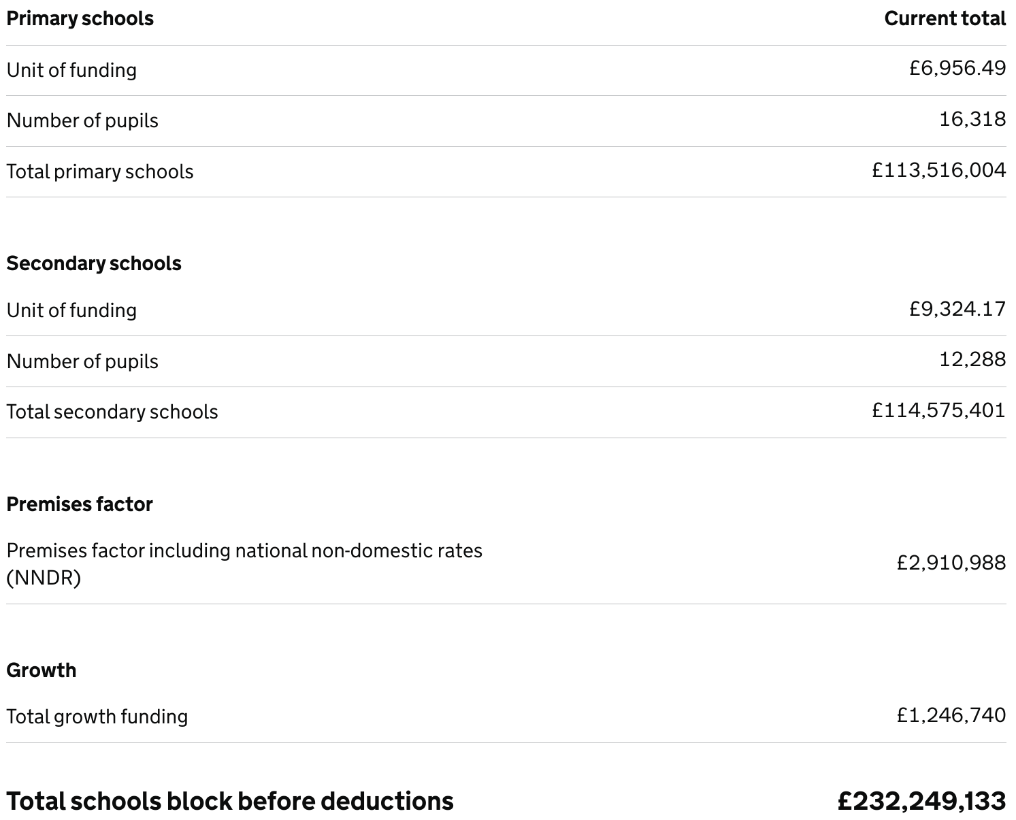

The graphic below shows how the published allocation is utilised, the 0.5% transfer goes to the high needs block as agreed with the School Funding Forum. All factors in the NFF must be used in the local funding formula but there are some factors for which there are no qualifying schools in Hackney so these are not shown on the Budget Summary tab and are shown here as £0.

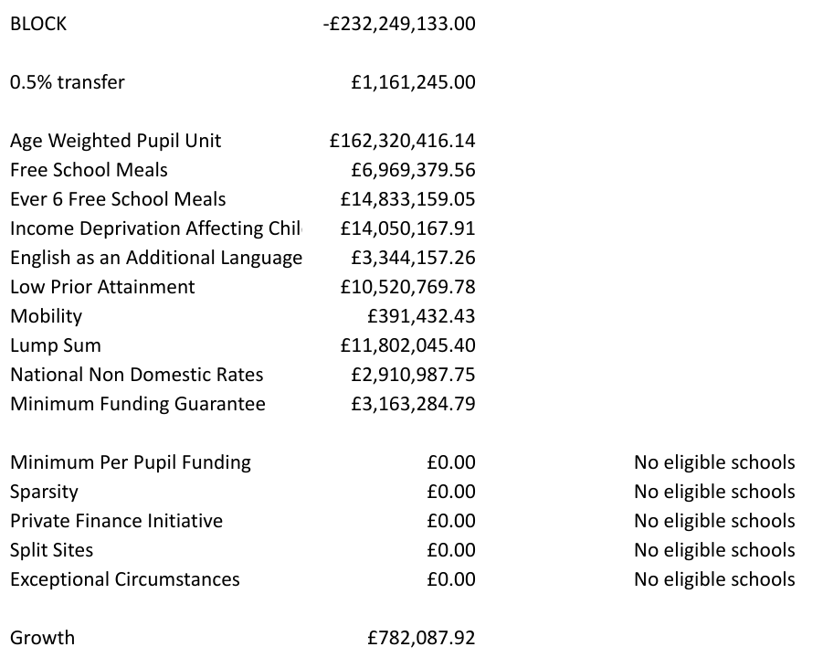

Where do the unit numbers come from?

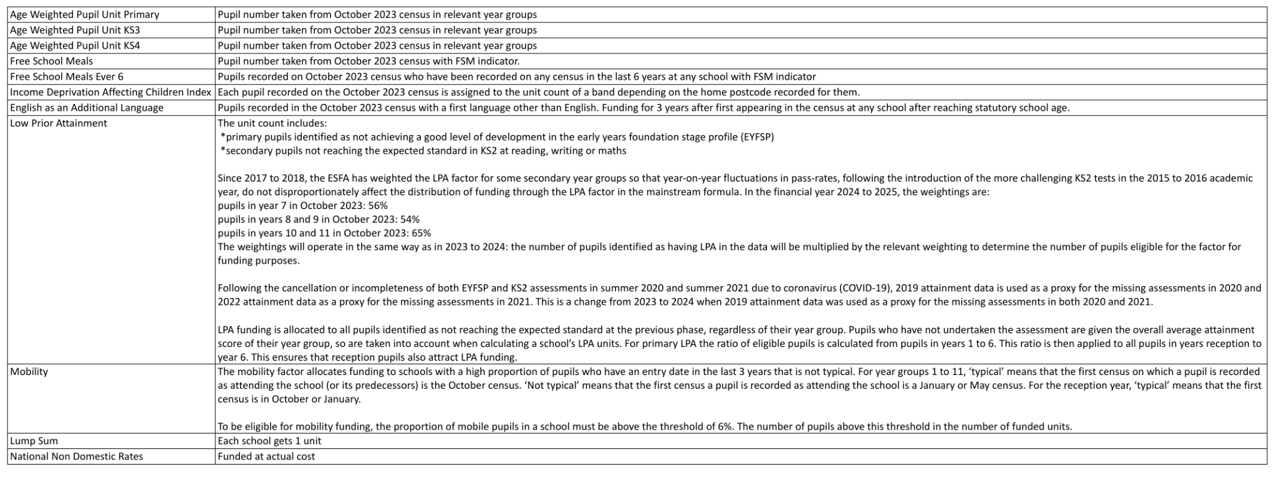

I hope the information on this tab has helped your understanding of the 2024/25 Hackney school budget allocations but further queries from Hackney schools are welcome at chris.scott@hackney.gov.uk

